Orderguide

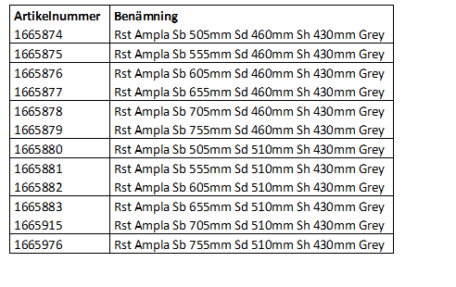
 |  |  |  |  | Orderguide 2022
 |  |  |  |  | Orderguide ACTION AMPLA 202201

INVACARE France OPERATIONS SAS
Route de Saint Roch, 37230 Fondettes, France
Tel: 33 (0)247 626 466 Fax: 33 (0)247 626 488
INVACARE^{R} ACTION^{R} AMPLATM
Local Homologation Number :
ISO , MDA , TUV Logos
MAximum user weight : 300 Kg
All measurements provided are given with a tolerance of :
- mm : +/- 10 mm , Inches : +/- 1/4", Degree : +/- 1 °
Price In Local Currency & Euros (If Required) Of The Standard Product.
Codification of Local Prescription Form
ACTION AMPLA SMB
T

LEGEND:
x | =Commercial NC Green=New features/NCs/comments Red=Deleted features/NCs/comments Blue=Previous update
 | =Technical NC p=Please make your selection with a cross in the box u=Standard feature m=Free of Charge (NC9999)=Not Compatible with Option 9999.

CODE
MODEL
SMA0001 | u | ACTION AMPLA | Alla val markerade i denna orderguide ingår i grundutförande till samtliga artikelnummer för komplett stol. Vill man ändra något så måste man fylla i orderguiden och bifoga beställningen. Vill man inte ändra något så räcker det att uppge artikelnummer.
SPECIAL
N | p | NO SPECIAL
SMASPEC | p | SPECIAL |  | (MANDATORY FOR SPECIAL COLOUR)
PROPULSION TYPE
SMA0500 | u | SELF PROPULSION
SEAT
SEAT WIDTH
SMA1000 | u | WIDTH 505 MM / 20" | MAX USER WEIGHT: 300KG |  | (NC : 5010 )
SMA1010 | p | WIDTH 555 MM / 22" | MAX USER WEIGHT: 300KG
SMA1020 | p | WIDTH 605 MM / 24" | MAX USER WEIGHT: 300KG / TRANSPORTATION BEARINGS RECOMMENDED
SMA1030 | p | WIDTH 655 MM / 26" | MAX USER WEIGHT: 300KG / TRANSPORTATION BEARINGS RECOMMENDED
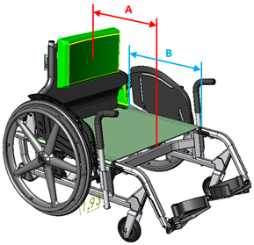
SMA1040 | p | WIDTH 705 MM / 28" | MAX USER WEIGHT: 300KG / TRANSPORTATION BEARINGS RECOMMENDED
SMA1050 | p | WIDTH 755 MM / 30" | MAX USER WEIGHT: 300KG / TRANSPORTATION BEARINGS RECOMMENDED
SEAT DEPTH
SMA1100 | u | WHEELCHAIR EFFECTIVE DEPTH 460 MM / 18” (A) – BACKREST FIXATION DEPTH 495 MM / 19,5” (B) Olika artikelnummer beroende vilket sittdjup man vill ha.
SMA1110 | u | WHEELCHAIR EFFECTIVE DEPTH 510 MM / 20” (A) – BACKREST FIXATION DEPTH 545 MM / 21,5” (B) Olika artikelnummer beroende vilket sittdjup man vill ha.
SEAT HEIGHT IN FRONT (FSTF) OF THE CHAIR, MEASURED FROM FLOOR TO CENTER OF SEAT |  |  |  | Always delivered at 1° seat angle
SMA1200 | p | HEIGHT 380-405 MM / 15"-16" SET AT 380 MM / 15"
SMA1210 | p | HEIGHT 380-405 MM / 15"-16" SET AT 405 MM / 16"
SMA1220 | u | HEIGHT 430-455 MM / 17"-18" SET AT 430 MM / 17"
SMA1230 | p | HEIGHT 430-455 MM / 17"-18" SET AT 455 MM / 18"
SEAT TYPE
SMA1300 | u | SEAT UPHOLSTERY
BACKREST
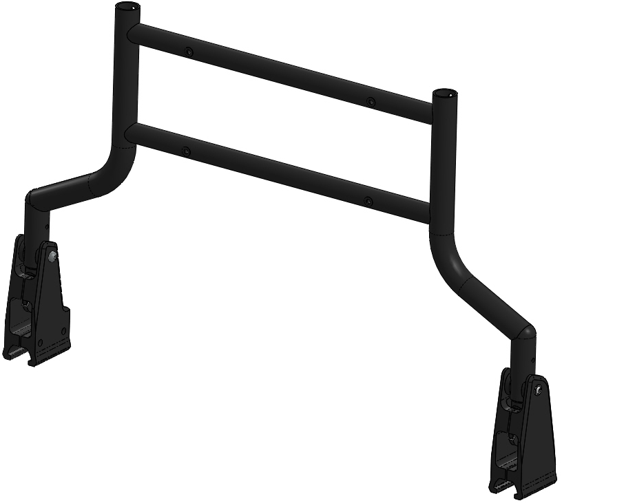
BACKREST TYPE
SMA2000/2010
SMA2000 | u | FOLD DOWN, HEIGHT ADJUSTABLE 450-525 MM (STEP 25MM) / 17”-20” (STEP 1”) SET AT 450 MM / 17” |  | FOLDS FORWARD ON SEAT & LOCKS IN POSITION
SMA2010 | p | FOLD DOWN, HEIGHT ADJUSTABLE 450-525 MM (STEP 25MM) / 17”-20” (STEP 1”) SET AT 500 MM / 19” |  | FOLDS FORWARD ON SEAT & LOCKS IN POSITION
SUPPORT TYPE
SMA2100 | u | FIXED BACKREST CUSHION
HANGERS/FOOTPLATES
HANGERS RH TYPE
SMA3110/3210
SMA3100 | p | FOOT PROPELLING RH, WITHOUT FOOTPLATE |  | NOT AVAILABLE YET | (NC : 3210, 3400, 3420, 3450, 3470, 9070 )
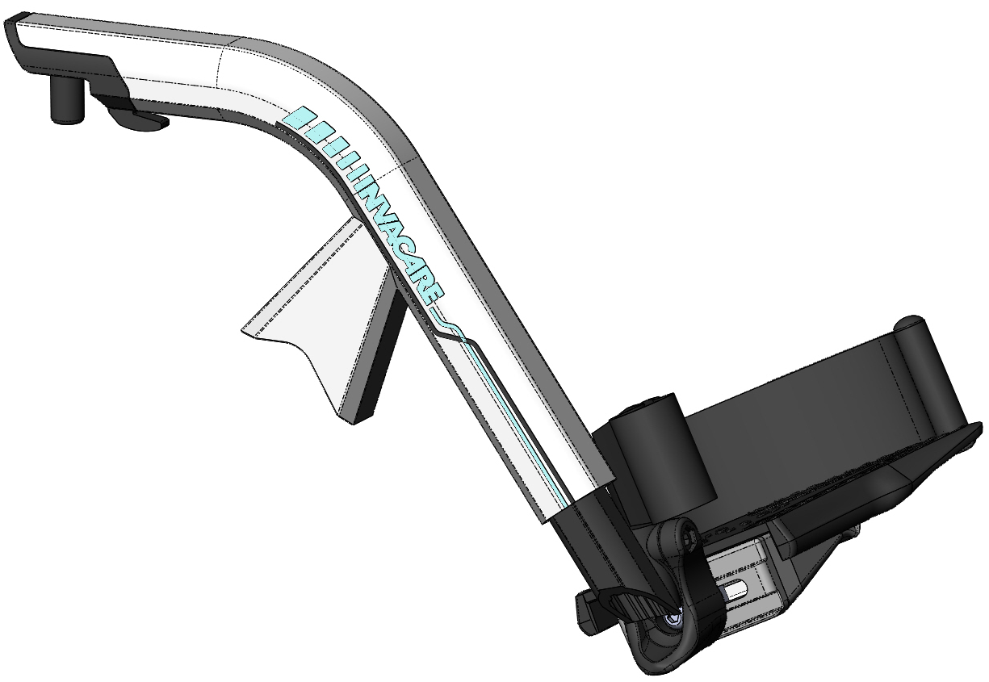
SMA3110 | u | SWING IN/OUT RH HANGER |  |  | (NC : 3200 )
HANGERS LH TYPE
SMA3200 | p | FOOT PROPELLING LH, WITHOUT FOOTPLATE |  | NOT AVAILABLE YET | (NC : 3500, 3520, 3550, 3570, 9070 )
SMA3210 | u | SWING IN/OUT LH HANGER
FOOTPLATES RH TYPE
SMA3400 | u | FLIP UP RH FOOTPLATE ANGLE AND DEPTH ADJUSTABLE ON SHORT TUBE ULL 365 TO 445 MM | INCLUDE ADJUSTABLE HEELSTRAP |  | (NC : 3550, 3570 )
SMA3420 | p | FLIP UP RH FOOTPLATE ON SHORT TUBE ULL 365 TO 445 MM | INCLUDE ADJUSTABLE HEELSTRAP |  | (NC : 3550, 3570 )
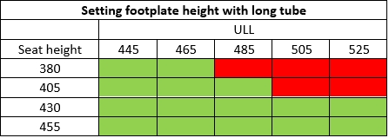
SMA3450 | p | FLIP UP RH FOOTPLATE ANGLE AND DEPTH ADJUSTABLE ON LONG TUBE ULL 445 TO 525 MM | INCLUDE ADJUSTABLE HEELSTRAP |  | (NC : 3500, 3520 )
SMA3470 | p | FLIP UP RH FOOTPLATE ON LONG TUBE ULL 445 TO 525 MM | INCLUDE ADJUSTABLE HEELSTRAP |  | (NC : 3500, 3520 )
FOOTPLATES LH TYPE
SMA3500 | u | FLIP UP LH FOOTPLATE ANGLE AND DEPTH ADJUSTABLE ON SHORT TUBE ULL 365 TO 445 MM | INCLUDE ADJUSTABLE HEELSTRAP
SMA3520 | p | FLIP UP LH FOOTPLATE ON SHORT TUBE ULL 365 TO 445 MM | INCLUDE ADJUSTABLE HEELSTRAP
SMA3550 | p | FLIP UP LH FOOTPLATE ANGLE AND DEPTH ADJUSTABLE ON LONG TUBE ULL 445 TO 525 MM | INCLUDE ADJUSTABLE HEELSTRAP
SMA3570 | p | FLIP UP LH FOOTPLATE ON LONG TUBE ULL 445 TO 525 MM | INCLUDE ADJUSTABLE HEELSTRAP
TRANSFER HELP
TRANSFER HELP RH FORM
SMA4110 | u | TRANSFER HELP RH (INCLUDING MUDGUARD)
SMA4110/4210
TRANSFER HELP LH FORM
SMA4210 | u | TRANSFER HELP LH (INCLUDING MUDGUARD)
SEATING OPTIONS TYPE (Maximum width is 30")
SEAT CUSHIONS
SMA5000 | u | STANDARD CUSHION (560 MM DEPTH, HEIGHT 60 MM) | MAX 300 Kg / 662 LBS
SMA5010 | p | MATRX PS CUSHION (HEIGHT 90 MM) | MAX 272 Kg / 600 LBS | ADDITIONNAL LEAD TIME + 5 DAYS
COLOURS / PERSONNALISATION
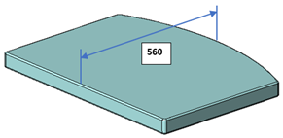
FRAME COLOUR
SMA6000 | p | TECH WHITE
SMA6010 | u | TECH GREY
SMA6099 | p | SPECIAL COLOUR |  | ON DEMAND ONLY AND SPECIAL (SMASPEC) MANDATORY
STICKER
SMA5000
SMA6500 | u | BLUE PULSE
SMA6510 | p | PINK PULSE
SMA6520 | p | GREEN PULSE
FRONT WHEELS
SMA7000 | p | 125 X 35 MM (5" X 1.3/8") BLACK SOLID TYRE, BLACK RIM
SMA7010 | u | 150 X 35 MM (6" X 1.3/8") BLACK SOLID TYRE, BLACK RIM
REAR WHEELS
REAR WHEELS
SMA7100
SMA7100 | u | 610 x 25 MM (24" X 1") STANDARD, BLACK SOLID TYRE, BLACK COMPOSITE FIVE SPOKES, BLACK ALU HANDRIM
REAR WHEELS AXLES TYPE
SMA7200 | u | QUICK RELEASE AXLE
BRAKES TYPE
SMA8000 | u | PUSH TO LOCK BRAKES |  |  | (NC : 8010 )
SMA8010 | p | ATTENDANT RUNNING BRAKES WITH PUSH TO LOCK (INCLUDE HEIGHT ADJUSTABLE PUSHBAR) |  |  | ( NC : 9000, 9050 )
SAFETY OPTIONS TYPE
SMA8520
SMA8500 | u | TRANSPORTATION KIT |  |  | ( NC : 9020, 9030, 9040 )
SMA8510 | p | POSTURE BELT
SMA8520 | p | ANTI-TIPPER PAIR |  |  | ( NC : 9060 )
ATTENDANT OPTIONS TYPE
SMA9060
SMA9000 | p | RH CANE HOLDER |  |  | (NC : 9010, 9020 )
SMA9010 | p | LH CANE HOLDER |  |  | (NC : 9030 )
SMA9020 | p | RH DRIP STAND (INCLUDE HEIGHT ADJUSTABLE PUSHBAR ) |  |  | ( NC : 9030, 9050 )
SMA9030 | p | LH DRIP STAND (INCLUDE HEIGHT ADJUSTABLE PUSHBAR ) |  |  | ( NC : 9050 )
SMA9050
SMA9040 | p | OXYGEN BOTTLE HOLDER
SMA9050 | p | HEIGHT ADJUSTABLE PUSHBAR
SMA9060 | u | TRANSPORTATION BEARINGS (ANTI-TIPPER FUNCTION) | PATEND PENDING | RECOMMENDED FOR SEAT WIDTH 605 TO 755 MM
SMA9070 | p | ADDITIONNAL FOOT PROPELLING TUBES (PAIR) |  | NOT AVAILABLE YET
DE260776 | p | BENSTÖD AMPUTATION VÄNSTER | Special beställs separat
DE260776 | p | BENSTÖD AMPUTATION HÖGER | Special beställs separat

